Uniform Price Model
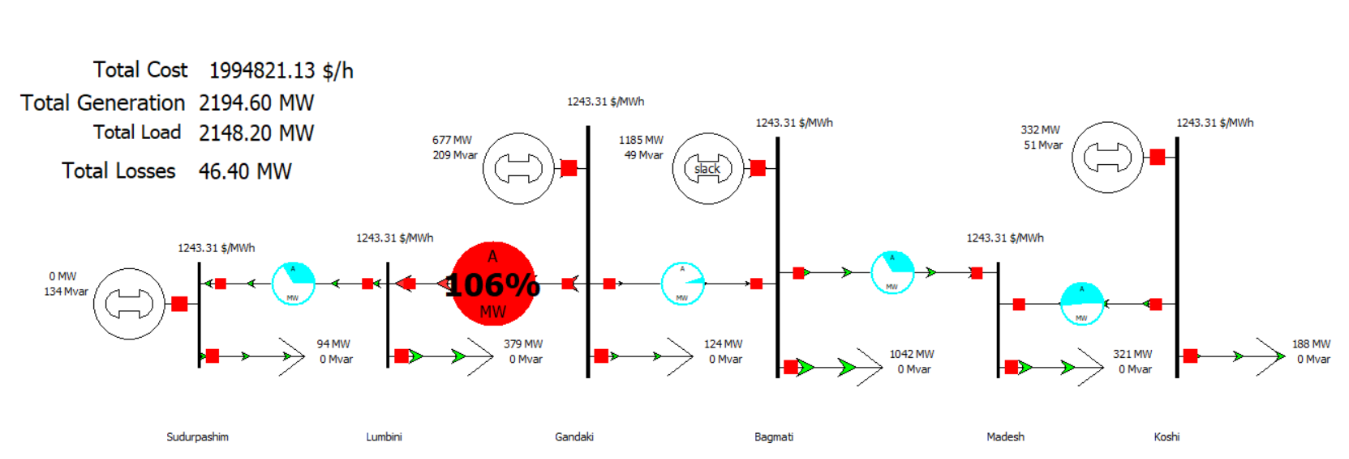
Province | MW | MWh | Cummuative | Deamnd | 2148.20 MW | 2148.2 | 2000
Bagmati | 1185.2 | 687.7063 | 1185.2 |  |  | 2148.2 | 0 | Schedule Table | Cost (Rs/MWh)) | Scheduled Quantily (MWh) | Production Cost (Rs) | Revenue (Rs) | Surplus
Koshi | 332.1 | 1016.14 | 1517.3 |  |  |  |  | Bagmati | 687.71 | 1185.20 | 815069.51 | 1473574.57 | 658505.06
Gandaki | 696 | 1243.313 | 2213.3 |  |  |  |  | Koshi | 1016.14 | 332.10 | 337460.09 | 412904.25 | 75444.15
Sudurpashim | 94 | 1503.011 | 2307.3 |  |  |  |  | Gandaki | 1243.31 | 677.30 | 842095.89 | 842095.89 | 0.00
 |  |  |  |  |  |  |  | Sudurpashim | 1503.01 | 0.00 | 0.00 | 0.00 | 0.00
Supply And Demand Curve
0 | 0 | 687.7063
 | 1185.2 | 687.7063 |  |  |  |  |  | Total Cost of Generation (Rs) |  |  | 1994625.50 | Rs
 | 1185.2 | 1016.14
 | 1517.3 | 1016.14 |  |  |  |  |  | Market Clearing Price | 1243.31 | Rs/MWh
 | 1517.3 | 1243.313
 | 2213.3 | 1243.313
 | 2213.3 | 1503.011 |  |  |  |  |  | Congetion | Lumbini to Gandaki |  | 450MW | 473 MW
 | 2307.3 | 1503.011

Zonal Pricing Model
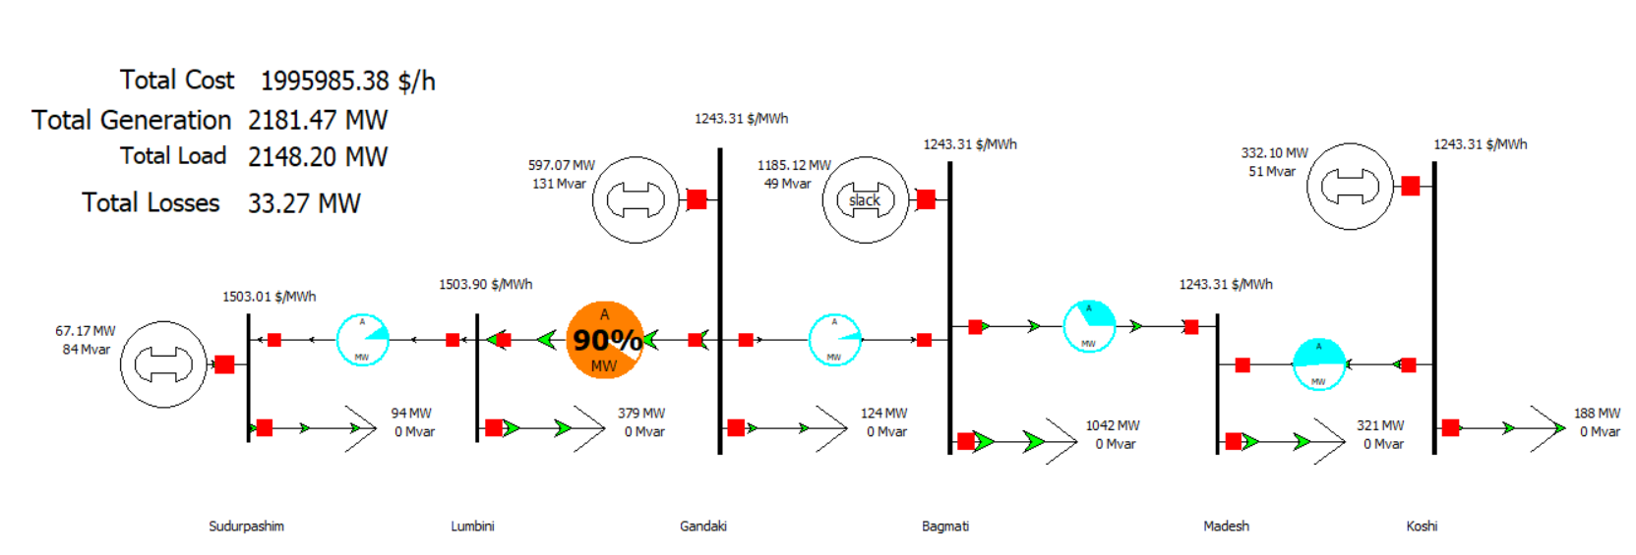
Province | Offer Price [Rs/MWh] | Scheduled Quantily (MWh) | Production Cost (Rs) | Bus Price [Rs/MWh] | Revenue [Rs] | Surplus [Rs]
Bagmati | 687.7063 | 1185.12 | 815014.49 | 1243.31 | 1473475.10 | 658460.61
Koshi | 1016.14 | 332.1 | 337460.09 | 1243.31 | 412904.25 | 75444.15
Gandaki | 1243.313 | 597.07 | 742344.89 | 1243.31 | 742344.89 | 0.00
Sudurpashim | 1503.011 | 67.17 | 100957.25 | 1503.01 | 100957.25 | 0.00 |  |  | UPM | 1994625.4957
Total |  |  | 1995776.726 |  |  |  |  |  | Zonal | 1995776.726
 |  |  |  |  |  |  |  |  | Diffenence | 1151.230376
Loss | 33.27
Demand | 2148.2
Generation | 2181.47
Loss | 33.27
 |  |  |  |  | Schedule Table | Cost (Rs/MWh)) | Scheduled Quantily (MWh) | Production Cost (Rs) | Revenue (Rs) | Surplus

